project design
Does having more followers on twitter give your tweets a higher proportion of likes to followers than twitter users with less followers? I love twitter. I use it multiple times a day and it's my main source of entertainment on social media. I notice a lot of tweets that go viral from accounts with not that many followers. This led me to my question. Does having a lot of followers on twitter really give you more reach than someone with 4,000 followers and a funny joke? I was determined to find out.
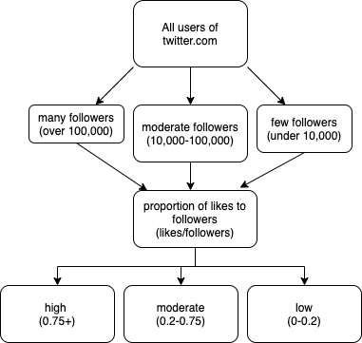
first draft of tree

Sampling Procedure:
1. Myself and 2 other friends used the accounts that we follow on twitter as our populations.
2. Using a random number generator, we each generated 10 numbers. Those numbers being between 1 and the total number of accounts followed. (ex: for me it was 1-390)
3. Record the number of followers of each user.
4. Determine the average tweet likes they get based on their 3 most recent original tweets.
5. Divide the average number of tweet likes by the total followers to get their proportion of likes to followers.

Peer Reviewed Article :
I chose an article that criticizes the way Twitter's algorithm works. It claims that twitter locks its users into an echochamber of other users that all share the same viewpoint to avoid discourse on the platform.
Shore, Jesse, et al. “Network Structure and Patterns of Information Diversity on Twitter.” MIS Quarterly, vol. 42, no. 3, Sept. 2018, pp. 849–872. EBSCOhost, doi:10.25300/MISQ/2018/14558.
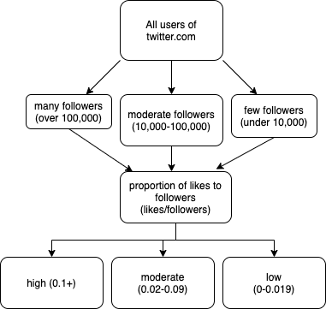
second draft of tree

Hypothesis:
I believe that accounts with more followers will have a higher ratio of likes to followers than accounts with less followers. High followed users have more of the chance to appear on someone else's timeline due to the amount of people that follow them. While it is unclear how Twitter's algorithm works, my timeline often gives me content suggestions based on what the people I follow also like. Users with more followers already reach many people giving them the opportunity to reach even more.

raw data and scatter plot
proportion of likes vs number of followers
ID # | username | # followers | avg # tweet likes | proportion of likes to followers
1 | nicole_ollinger | 89 | 5 | 0.056179775281
2 | thenoelmiller | 763700 | 8586.33 | 0.011243066649
3 | taulpall_ | 853 | 9.66 | 0.011324736225
4 | imbabybean | 23800 | 1908.33 | 0.080181932773
5 | gilesthegrey | 1260 | 39 | 0.030952380952
6 | nomoredysphoria | 1242 | 5.33 | 0.0042914653784
7 | pauljac3_ | 30600 | 20.66 | 0.00067516339869
8 | flickyournic | 652 | 17.33 | 0.026579754601
9 | gusbuckets | 397600 | 1304.66 | 0.0032813380282
10 | filasockss | 141 | 9.33 | 0.066170212766
11 | robotoproject | 1041 | 29.66 | 0.028491834774
12 | chrismustard | 4887 | 58 | 0.011868221813
13 | fake_kdka | 5341 | 15.33 | 0.002870249017
14 | eddyburback | 221100 | 7999 | 0.03617819991
15 | hannibalbareass | 612 | 5.66 | 0.0092483660131
16 | heartattackmane | 12900 | 174.33 | 0.013513953488
17 | nbcbrooklyn99 | 801600 | 6966.66 | 0.0086909431138
18 | johnmulaneybot | 46100 | 25.66 | 0.00055661605206
19 | macysorrelle | 18300 | 188.66 | 0.010309289617
20 | ryansbergara | 312600 | 2855 | 0.0091330774152
21 | itsdougthepug | 2700000 | 2104 | 0.00077925925926
22 | fidlar | 68000 | 0 | 0
23 | chadmichaels1 | 271200 | 306.33 | 0.0011295353982
24 | bendelacreme | 320200 | 105.66 | 0.00032998126171
25 | smashmouth | 121200 | 41.66 | 0.00034372937294
26 | abhcosmetics | 838500 | 204.66 | 0.00024407871199
27 | zakwitranch | 71 | 0.33 | 0.0046478873239
28 | dannydevito | 4100000 | 2000 | 0.00048780487805
29 | gigprobs | 19600 | 758 | 0.038673469388
30 | fuckie_cilantro | 248 | 4.66 | 0.018790322581

mean |  | 369447.9 | 1191.6296667 | 0.016238888181
median |  | 21700 | 49.83 | 0.0091907217141
q1 |  | 994 | 9.5775 | 0.00075323529412
q3 |  | 314500 | 1455.5775 | 0.027057774644
st dev |  | 879631.23818 | 2395.1281265 | 0.020908462964
variance |  | 7.7375111517E+11 | 5736638.7425 | 0.00043716382352

conclusion
In conclusion, my data means nothing. I don't know if it is because I collected an insufficient amount of data, but I am unable to reach a conclusion with what I have. There seems to be no correlation between the number of followers and the proportion of likes on tweets. My scatter plot and regression line are definitely meaningless, but the regression line even shows a very very very slight downward trend in proportion as followers increase.

To a future DAT-102 student:
If we were not in a global pandemic, I would not have chosen this topic. This seemed like something easy that I could do from my house, which it is, but this was not fun or informative. Maybe if you have the time to gather data from more than 30 accounts or a better way to sample, this would have better conclusions. I think that my biggest flaw was the way that I sampled. I'm pretty sure that I did a convenience sample. I did look to try and find a website that would just give me random twitter accounts, but that does not exist at this time.

Resources I used:
twitter.com
my roommates Madi and Sam
CCAC library search

